Chart1
 | Sales | Cost | Profit
Jun | 4 | 2 | 2
Jul | 5 | 3 | 2
Aug | 7 | 4 | 3
Sep | 6 | 5 | 1
Oct | 6 | 4 | 2

3D Column
 | Sales
Jun | 4
Jul | 5
Aug | 7
Sep | 6
Oct | 6

pie
 | Sales
Jun | 4
Jul | 5
Aug | 7
Sep | 6
Oct | 6

Simple Chart
 |  |  |  | Time | Sales | Cost | Profit
 |  |  |  | 6 | 4 | 2 | 2
Time | Sales | Cost | Profit | 7 | 5 | 3 | 2
Jun | 4 | 2 | 2 | 8 | 7 | 4 | 3
Jul | 5 | 3 | 2 | 9 | 6 | 5 | 1
Aug | 7 | 4 | 3 | 10 | 6 | 4 | 2
Sep | 6 | 5 | 1
Oct | 6 | 4 | 2

App Ban Chart
 | Sales
Apples | 6
Bananas | 8

Apples & Bananas
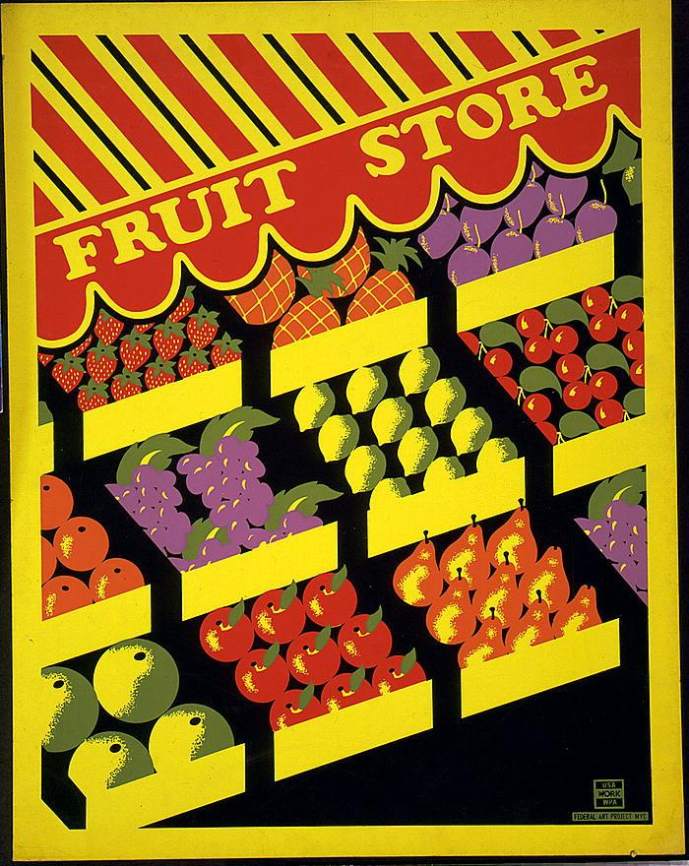

 | Sales
Apples | 6
Bananas | 8

Chart5
 | Sales | Cost | Profit
Jun | 4 | 2 | 2
Jul | 5 | 3 | 2
Aug | 7 | 4 | 3
Sep | 6 | 5 | 1
Oct | 6 | 4 | 2

Line Vs Scatter
 | Sales
1990 | 15.50
2000 | 24.50
2005 | 30.50
2006 | 31.00
2007 | 32.50
2008 | 33.50

Add Data to Chart
 |  |  |  |  | Date | Maxwell Sports Inc. (MXS) | GC Records (GCR)
 |  |  |  |  | 5/21/2006 | 36.90 | 74.80
 |  |  |  |  | 5/20/2006 | 37.10 | 69.60
 |  |  |  |  | 5/19/2006 | 36.80 | 74.80
 |  |  |  |  | 5/18/2006 | 39.00 | 69.10
 |  |  |  |  | 5/17/2006 | 38.00 | 72.70
 |  |  |  |  | 5/14/2006 | 38.50 | 69.50
 |  |  |  |  | 5/13/2006 | 37.80 | 70.10
 |  |  |  |  | 5/12/2006 | 38.00 | 68.10
 |  |  |  |  | 5/11/2006 | 37.00 | 69.40
 |  |  |  |  | 5/10/2006 | 37.30 | 65.70
 |  |  |  |  | 5/7/2006 | 37.50 | 64.40
 |  |  |  |  | 5/6/2006 | 36.50 | 63.40
 |  |  |  |  | 5/5/2006 | 36.60 | 63.30
 |  |  |  |  | 5/4/2006 | 38.00 | 65.20
 |  |  |  |  | 5/3/2006 | 36.70 | 65.00
 |  |  |  |  | 4/30/2006 | 37.00 | 63.40
 |  |  |  |  | 4/29/2006 | 37.00 | 65.70
 |  |  |  |  | 4/28/2006 | 38.30 | 67.90
 |  |  |  |  | 4/27/2006 | 38.90 | 62.70
 | Enter the starting and ending dates for the chart |  |  |  | 4/26/2006 | 38.00 | 68.20
 |  |  |  |  | 4/23/2006 | 37.20 | 72.40
 | Starting Date: | 1/19/2006 | Ending Date: | 5/21/2006 | 4/22/2006 | 37.50 | 72.60
 |  |  |  |  | 4/21/2006 | 36.30 | 67.20
Purpose: | Displays a chart of closing values for two different stocks. |  |  |  | 4/20/2006 | 36.70 | 71.60
 | Users can choose the starting and stopping dates for the chart, |  |  |  | 4/19/2006 | 37.20 | 69.30
 | as well as which stock to display. |  |  |  | 4/16/2006 | 36.30 | 64.00
 |  |  |  |  | 4/15/2006 | 36.90 | 63.50
 |  |  |  |  | 4/14/2006 | 36.20 | 66.90
 |  |  |  |  | 4/13/2006 | 36.30 | 64.60
 |  |  |  |  | 4/12/2006 | 35.40 | 67.50
 |  |  |  |  | 4/9/2006 | 35.70 | 63.80
 |  |  |  |  | 4/8/2006 | 36.60 | 63.90
 |  |  |  |  | 4/7/2006 | 36.30 | 62.40
 |  |  |  |  | 4/6/2006 | 35.80 | 64.20
 |  |  |  |  | 4/5/2006 | 36.80 | 60.30
 |  |  |  |  | 4/2/2006 | 35.60 | 59.20
 |  |  |  |  | 4/1/2006 | 35.90 | 58.70
 |  |  |  |  | 3/31/2006 | 35.20 | 62.70
 |  |  |  |  | 3/30/2006 | 35.90 | 63.00
 |  |  |  |  | 3/29/2006 | 35.20 | 58.10
 |  |  |  |  | 3/26/2006 | 35.70 | 57.70
 |  |  |  |  | 3/25/2006 | 35.10 | 61.10
 |  |  |  |  | 3/24/2006 | 35.80 | 58.30
 |  |  |  |  | 3/23/2006 | 36.10 | 62.30
 |  |  |  |  | 3/22/2006 | 35.90 | 58.20
 |  |  |  |  | 3/19/2006 | 35.50 | 63.70
 |  |  |  |  | 3/18/2006 | 36.20 | 63.00
 |  |  |  |  | 3/17/2006 | 35.00 | 64.10
 |  |  |  |  | 3/16/2006 | 35.40 | 67.20
 |  |  |  |  | 3/15/2006 | 36.70 | 66.20
 |  |  |  |  | 3/12/2006 | 36.10 | 66.80
 |  |  |  |  | 3/11/2006 | 36.30 | 62.50
 |  |  |  |  | 3/10/2006 | 36.20 | 64.40
 |  |  |  |  | 3/9/2006 | 36.60 | 62.70
 |  |  |  |  | 3/8/2006 | 36.50 | 61.00
 |  |  |  |  | 3/5/2006 | 35.50 | 57.50
 |  |  |  |  | 3/4/2006 | 36.10 | 57.70
 |  |  |  |  | 3/3/2006 | 36.00 | 57.50
 |  |  |  |  | 3/2/2006 | 35.60 | 57.80
 |  |  |  |  | 3/1/2006 | 37.00 | 57.10
 |  |  |  |  | 2/27/2006 | 35.70 | 61.20
 |  |  |  |  | 2/26/2006 | 35.50 | 62.70
 |  |  |  |  | 2/25/2006 | 36.00 | 59.30
 |  |  |  |  | 2/24/2006 | 36.20 | 62.40
 |  |  |  |  | 2/23/2006 | 35.90 | 58.30
 |  |  |  |  | 2/20/2006 | 36.30 | 58.20
 |  |  |  |  | 2/19/2006 | 35.90 | 62.60
 |  |  |  |  | 2/18/2006 | 35.40 | 57.40
 |  |  |  |  | 2/17/2006 | 34.50 | 59.40
 |  |  |  |  | 2/16/2006 | 34.50 | 61.30
 |  |  |  |  | 2/13/2006 | 35.30 | 55.40
 |  |  |  |  | 2/12/2006 | 34.60 | 58.00
 |  |  |  |  | 2/11/2006 | 35.20 | 52.70
 |  |  |  |  | 2/10/2006 | 34.30 | 55.70
 |  |  |  |  | 2/9/2006 | 33.40 | 56.50
 |  |  |  |  | 2/6/2006 | 33.80 | 57.10
 |  |  |  |  | 2/5/2006 | 33.80 | 56.60
 |  |  |  |  | 2/4/2006 | 34.40 | 52.00
 |  |  |  |  | 2/3/2006 | 36.80 | 57.20
 |  |  |  |  | 2/2/2006 | 35.90 | 51.20
 |  |  |  |  | 1/30/2006 | 36.30 | 50.60
 |  |  |  |  | 1/29/2006 | 37.50 | 53.50
 |  |  |  |  | 1/28/2006 | 37.90 | 60.40
 |  |  |  |  | 1/27/2006 | 37.60 | 60.10
 |  |  |  |  | 1/26/2006 | 37.90 | 60.40
 |  |  |  |  | 1/23/2006 | 38.10 | 59.50
 |  |  |  |  | 1/22/2006 | 36.80 | 58.50
 |  |  |  |  | 1/21/2006 | 36.60 | 60.10
 |  |  |  |  | 1/20/2006 | 36.10 | 62.60
 |  |  |  |  | 1/19/2006 | 36.70 | 60.20

